Sheet1
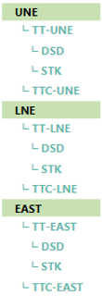
current | New

 | TOTAL TT

 | Total Geo WEST
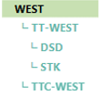
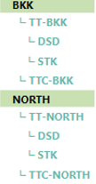

 | Total Geo EAST

Sheet2
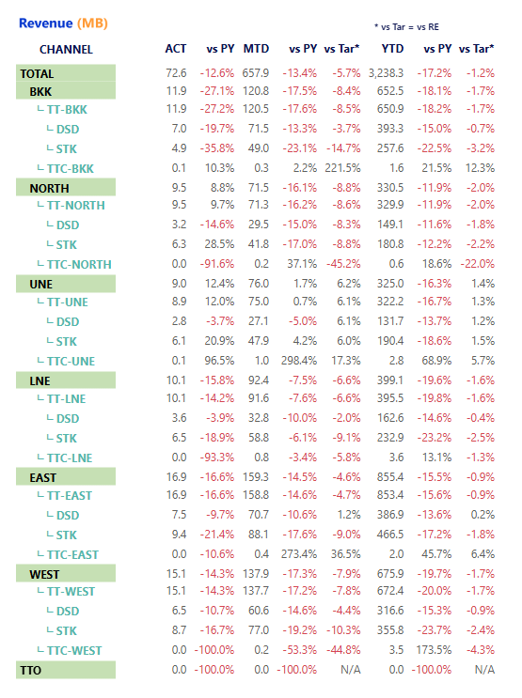
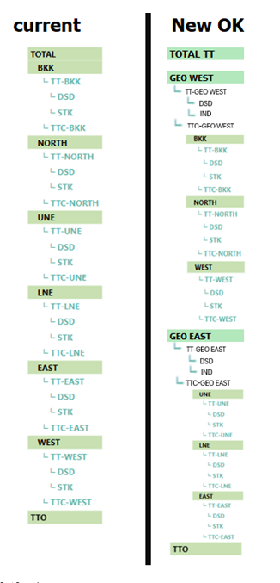
3 | 4 | 1 | 2
 |  |  |  |  |  |  |  | Total |  |  |  |  |  |  | 1 |  |  | Total |  |  |  |  |  |  | 1
Total |  |  |  |  |  | 1 |  |  | Total Geo WEST |  |  |  |  |  |  |  | 10-2 |  | Total Geo WEST |  |  |  |  |  |  |  | 2
 | BKK |  |  |  |  |  | 10-1 |  |  | BKK |  |  |  |  |  | 10-1 |  |  |  | TT-GEO WEST |  |  |  |  |  |  |  | 3
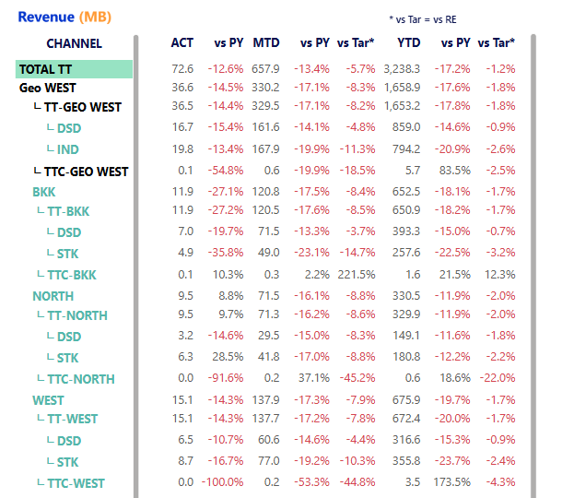
 |  | TT-BKK |  | 10 |  |  |  |  |  |  | TT-BKK |  | 10 |  |  |  |  |  |  |  | DSD |  |  |  |  |  |  |  | 4
 |  |  | DSD |  | 11 |  |  |  |  |  |  | DSD |  | 11 |  |  |  |  |  |  | IND |  |  |  |  |  |  |  | 5
 |  |  | STK |  | 12 |  |  |  |  |  |  | STK |  | 12 |  |  |  |  |  | TTC-GEO WEST |  |  |  |  |  |  |  | 6
 |  | TTC-BKK |  | 20 |  |  |  |  |  |  | TTC-BKK |  | 20 |  |  |  |  |  |  | BKK |  |  |  |  |  | 10-1
 | NORTH |  |  |  |  |  | 30-1 |  |  | NORTH |  |  |  |  |  | 30-1 |  |  |  |  | TT-BKK |  | 10
 |  | TT-NORTH |  | 30 |  |  |  |  |  |  | TT-NORTH |  | 30 |  |  |  |  |  |  |  |  | DSD |  | 11
 |  |  | DSD |  | 31 |  |  |  |  |  |  | DSD |  | 31 |  |  |  |  |  |  |  | STK |  | 12
 |  |  | STK |  | 32 |  |  |  |  |  |  | STK |  | 32 |  |  |  |  |  |  | TTC-BKK |  | 20
 |  | TTC-NORTH |  | 40 |  |  |  |  |  |  | TTC-NORTH |  | 40 |  |  |  |  |  |  | NORTH |  |  |  |  |  | 30-1
 | UNE |  |  |  |  |  | 50-1 |  |  | WEST |  |  |  |  |  | 50-1 |  |  |  |  | TT-NORTH |  | 30
 |  | TT-UNE |  | 50 |  |  |  |  |  |  | TT-WEST |  | 50 |  |  |  |  |  |  |  |  | DSD |  | 31
 |  |  | DSD |  | 51 |  |  |  |  |  |  | DSD |  | 51 |  |  |  |  |  |  |  | STK |  | 32
 |  |  | STK |  | 52 |  |  |  |  |  |  | STK |  | 52 |  |  |  |  |  |  | TTC-NORTH |  | 40
 |  | TTC-UNE |  | 60 |  |  |  |  |  |  | TTC-WEST |  | 60 |  |  |  |  |  |  | WEST |  |  |  |  |  | 50-1
 | LINE |  |  |  |  |  | 70-1 |  | Total Geo WEST |  |  |  |  |  |  |  | 70-2 |  |  |  | TT-WEST |  | 50
 |  | TT-LINE |  | 70 |  |  |  |  |  | UNE |  |  |  |  |  | 70-1 |  |  |  |  |  | DSD |  | 51
 |  |  | DSD |  | 71 |  |  |  |  |  | TT-UNE |  | 70 |  |  |  |  |  |  |  |  | STK |  | 52
 |  |  | STK |  | 72 |  |  |  |  |  |  | DSD |  | 71 |  |  |  |  |  |  | TTC-WEST |  | 60
 |  | TTC-LINE |  | 80 |  |  |  |  |  |  |  | STK |  | 72 |  |  |  |  | Total Geo WEST |  |  |  |  |  |  |  | 61
 | EAST |  |  |  |  |  | 90-1 |  |  |  | TTC-UNE |  | 80 |  |  |  |  |  |  | TT-GEO EAST |  |  |  |  |  |  |  | 62
 |  | TT-EAST |  | 90 |  |  |  |  |  | LINE |  |  |  |  |  | 90-1 |  |  |  |  | DSD |  |  |  |  |  |  |  | 63
 |  |  | DSD |  | 91 |  |  |  |  |  | TT-LINE |  | 90 |  |  |  |  |  |  |  | IND |  |  |  |  |  |  |  | 64
 |  |  | STK |  | 92 |  |  |  |  |  |  | DSD |  | 91 |  |  |  |  |  | TTC-GEO EAST |  |  |  |  |  |  |  | 65
 |  | TTC-EAST |  | 100 |  |  |  |  |  |  |  | STK |  | 92 |  |  |  |  |  | UNE |  |  |  |  |  | 70-1
 | WEST |  |  |  |  |  | 110-1 |  |  |  | TTC-LINE |  | 100 |  |  |  |  |  |  |  | TT-UNE |  | 70
 |  | TT-WEST |  | 110 |  |  |  |  |  | EAST |  |  |  |  |  | 110-1 |  |  |  |  |  | DSD |  | 71
 |  |  | DSD |  | 111 |  |  |  |  |  | TT-EAST |  | 110 |  |  |  |  |  |  |  |  | STK |  | 72
 |  |  | STK |  | 112 |  |  |  |  |  |  | DSD |  | 111 |  |  |  |  |  |  | TTC-UNE |  | 80
 |  | TTC-WEST |  | 120 |  |  |  |  |  |  |  | STK |  | 112 |  |  |  |  |  | LINE |  |  |  |  |  | 90-1
 | TTO |  |  | 130 |  |  |  |  |  |  | TTC-EAST |  | 120 |  |  |  |  |  |  |  | TT-LINE |  | 90
 |  |  |  |  |  |  |  |  |  | TTO |  |  | 130 |  |  |  |  |  |  |  |  | DSD |  | 91
 |  |  |  |  |  |  |  |  |  |  |  |  |  |  |  |  |  |  |  |  |  | STK |  | 92
 |  |  |  |  |  |  |  |  |  |  |  |  |  |  |  |  |  |  |  |  | TTC-LINE |  | 100
 |  |  |  |  |  |  | 150 |  |  |  |  |  |  |  |  |  |  |  |  | EAST |  |  |  |  |  | 110-1
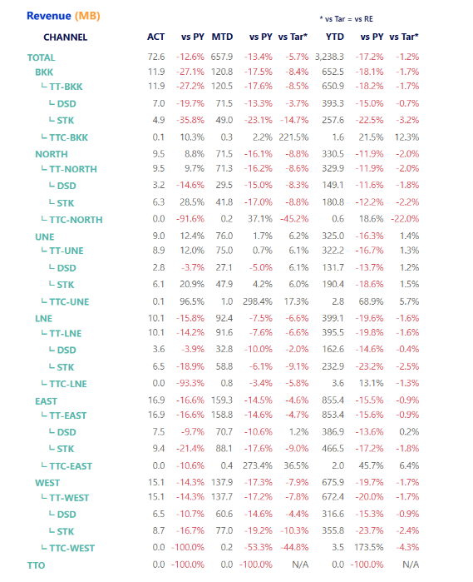
 |  |  |  |  |  |  |  |  |  |  |  |  |  |  |  | 150 |  |  |  |  | TT-EAST |  | 110
 |  |  |  |  |  |  |  |  |  |  |  |  |  |  |  |  |  |  |  |  |  | DSD |  | 111
 |  |  |  |  |  |  |  |  |  |  |  |  |  |  |  |  |  |  |  |  |  | STK |  | 112
 |  |  |  |  |  |  |  |  |  |  |  |  |  |  |  |  |  |  |  |  | TTC-EAST |  | 120
 |  |  |  |  |  |  |  |  |  |  |  |  |  |  |  |  |  |  |  | TTO |  |  | 130

 |  |  |  |  |  |  |  |  |  |  |  |  |  |  |  |  |  |  |  |  |  |  |  |  |  | 150

Sheet6
RDR North | RDR BKK | RDR West | RDR Upper Northeast | RDR Lower Northeast | RDR East | SD | SALES_GRP | SALES_GRP_D | SD | SALES_GRP | SALES_GRP_D | SALES_DIST_D | SALES_GRP_D | DD
SM-Chiengmai | SM-Jatujuk | SM-Chainart | SM-Udorn | SM-Ubon | SM-Cholburi | RDR West | 241 | SM-Nakornprathom | RDR East | 202 | SM-Teparak | NULL | NULL | 1
SM-Chiengrai | SM-Thonburi | SM-Ayutthaya | SM-Sakonakorn | SM-Srisaket | SM-Chachengsao | RDR West | 242 | SM-Ratburi | RDR East | 221 | SM-Chachengsao | Group TT Chain | TT-Chain BKK | 6
SM-Lampang | SM-Huamark | SM-Lopburi | SM-Khonkhan | SM-Surin | SM-Rangsit | RDR West | 243 | SM-Cha-um | RDR East | 222 | SM-Cholburi | Group TT Chain | TT-Chain East | 6
SM-Utaradit | SM-Rama3 | SM-Nakornprathom | SM-Roi-ed | SM-Burirum | SM-Prajinburi | RDR West | 244 | SM-Karnchanaburi | RDR East | 223 | SM-Pattaya | Group TT Chain | TT-Chain NE Lower | 6
SM-Pisanulok | SM-Prapradaeng | SM-Suphanburi | SM-Loei | SM-Korat | SM-Teparak | RDR West | 245 | SM-Lopburi | RDR East | 224 | SM-Chantaburi | Group TT Chain | TT-Chain NE Upper | 6
SM-Pijit | SM-Minburi | SM-Karnchanaburi |  | SM-Saraburi | SM-Chantaburi | RDR West | 246 | SM-Ayutthaya | RDR East | 225 | SM-Rangsit | Group TT Chain | TT-Chain North | 6
SM-Nakornsawan | SM-Bangbon | SM-Ratburi |  | SM-Chaiyaphum | SM-Rayong | RDR West | 247 | SM-Chainart | RDR East | 226 | SM-Prajinburi | Group TT Chain | TT-Chain West | 6
 | SM-Bangkayang | SM-Cha-um |  | มี SM-Lopburi เกิน | SM-Borwin | RDR West | 248 | SM-Prajuab | RDR East | 227 | SM-Rayong | RDR BKK | SM-Bangbon | 10
 |  | SM-Prajuab |  |  | SM-Pattaya | RDR West | 249 | SM-Suphanburi | RDR East | 228 | SM-Borwin | RDR BKK | SM-Bangkayang | 10
 |  |  |  |  |  |  |  |  |  |  |  | RDR BKK | SM-Chachengsao | 10
 |  |  |  |  |  |  |  |  |  |  |  | RDR BKK | SM-Fountain | 10
 |  |  |  |  |  |  |  |  |  |  |  | RDR BKK | SM-Huamark | 10
 |  |  |  |  |  |  |  |  |  |  |  | RDR BKK | SM-Jatujuk | 10
 |  |  |  |  |  |  |  |  |  |  |  | RDR BKK | SM-Minburi | 10
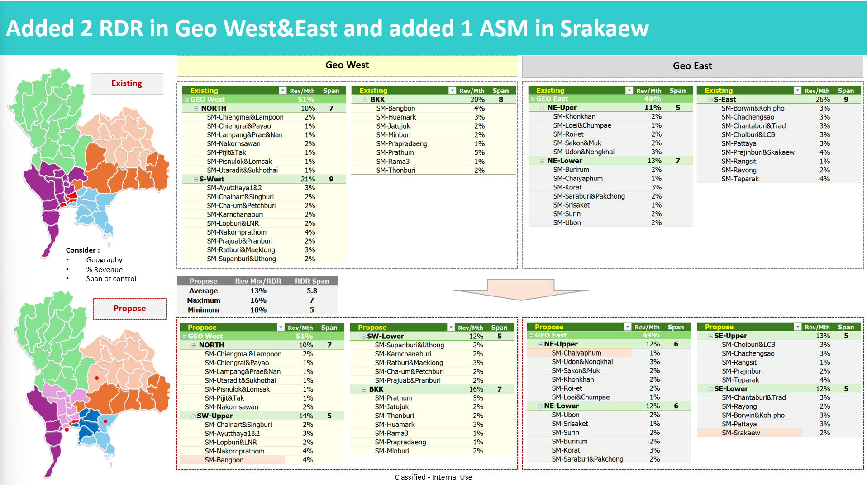
 |  |  |  |  |  |  |  |  |  |  |  | RDR BKK | SM-Prapradaeng | 10
RDR North | RDR BKK | RDR SW-Upper | RDR Upper Northeast | RDR Lower Northeast | RDR SE-Upper |  |  |  |  |  |  | RDR BKK | SM-Rama3 | 10
SM-Chiengmai | ไม่มี SM-Prathum | SM-Chainart | SM-Chaiyaphum | SM-Ubon | SM-Cholburi |  |  |  |  |  |  | RDR BKK | SM-Thonburi | 10
SM-Chiengrai | SM-Jatujuk | SM-Ayutthaya | SM-Udorn | SM-Srisaket | SM-Chachengsao |  |  |  |  |  |  | RDR East | SM-Borwin | 9
SM-Lampang | SM-Thonburi | SM-Lopburi | SM-Sakonakorn | SM-Surin | SM-Rangsit |  |  |  |  |  |  | RDR East | SM-Chachengsao | 9
SM-Utaradit | SM-Huamark | SM-Nakornprathom | SM-Khonkhan | SM-Burirum | SM-Prajinburi |  |  |  |  |  |  | RDR East | SM-Chantaburi | 9
SM-Pisanulok | SM-Rama3 | SM-Bangbon | SM-Roi-ed | SM-Korat | SM-Teparak |  |  |  |  |  |  | RDR East | SM-Cholburi | 9
SM-Pijit | SM-Prapradaeng |  | SM-Loei | SM-Saraburi |  |  |  |  |  |  |  | RDR East | SM-Pattaya | 9
SM-Nakornsawan | SM-Minburi |  |  | มี SM-Lopburi เกิน |  |  |  |  |  |  |  | RDR East | SM-Prajinburi | 9
 | มี SM-Bangkayang เกิน |  |  |  |  |  |  |  |  |  |  | RDR East | SM-Rangsit | 9
 |  |  |  |  |  |  |  |  |  |  |  | RDR East | SM-Rayong | 9
 |  |  |  |  |  |  |  |  |  |  |  | RDR East | SM-Teparak | 9
 |  | RDR SW-Lower |  |  | RDR SE-Lower |  |  |  |  |  |  | RDR Lower Northeast | SM-Burirum | 8
 |  | SM-Suphanburi |  |  | SM-Chantaburi |  |  |  |  |  |  | RDR Lower Northeast | SM-Chaiyaphum | 8
 |  | SM-Karnchanaburi |  |  | SM-Rayong |  |  |  |  |  |  | RDR Lower Northeast | SM-Korat | 8
 |  | SM-Ratburi |  |  | SM-Borwin |  |  |  |  |  |  | RDR Lower Northeast | SM-Lopburi | 8
 |  | SM-Cha-um |  |  | SM-Pattaya |  |  |  |  |  |  | RDR Lower Northeast | SM-Saraburi | 8
 |  | SM-Prajuab |  |  | ไม่มี SM-Srakaew |  |  |  |  |  |  | RDR Lower Northeast | SM-Srisaket | 8
 |  |  |  |  |  |  |  |  |  |  |  | RDR Lower Northeast | SM-Surin | 8
 |  |  |  |  |  |  |  |  |  |  |  | RDR Lower Northeast | SM-Ubon | 8
 |  |  |  |  |  |  |  |  |  |  |  | RDR North | CCA North | 8
 |  |  |  |  |  |  |  |  |  |  |  | RDR North | SM-Chiengmai | 8
 |  |  |  |  |  |  |  |  |  |  |  | RDR North | SM-Chiengrai | 8
 |  |  |  |  |  |  |  |  |  |  |  | RDR North | SM-Lampang | 8
 |  |  |  |  |  |  |  |  |  |  |  | RDR North | SM-Nakornsawan | 8
 |  |  |  |  |  |  |  |  |  |  |  | RDR North | SM-Pijit | 8
 |  |  |  |  |  |  |  |  |  |  |  | RDR North | SM-Pisanulok | 8
 |  |  |  |  |  |  |  |  |  |  |  | RDR North | SM-Utaradit | 8
 |  |  |  |  |  |  |  |  |  |  |  | RDR Upper Northeast | SM-Khonkhan | 6
 |  |  |  |  |  |  |  |  |  |  |  | RDR Upper Northeast | SM-Loei | 6
 |  |  |  |  |  |  |  |  |  |  |  | RDR Upper Northeast | SM-Nongkhai | 6
 |  |  |  |  |  |  |  |  |  |  |  | RDR Upper Northeast | SM-Roi-ed | 6
 |  |  |  |  |  |  |  |  |  |  |  | RDR Upper Northeast | SM-Sakonakorn | 6
 |  |  |  |  |  |  |  |  |  |  |  | RDR Upper Northeast | SM-Udorn | 6
 |  |  |  |  |  |  |  |  |  |  |  | RDR West | SM-Ayutthaya | 9
 |  |  |  |  |  |  |  |  |  |  |  | RDR West | SM-Chainart | 9
 |  |  |  |  |  |  |  |  |  |  |  | RDR West | SM-Cha-um | 9
 |  |  |  |  |  |  |  |  |  |  |  | RDR West | SM-Karnchanaburi | 9
 |  |  |  |  |  |  |  |  |  |  |  | RDR West | SM-Lopburi | 9
 |  |  |  |  |  |  |  |  |  |  |  | RDR West | SM-Nakornprathom | 9
 |  |  |  |  |  |  |  |  |  |  |  | RDR West | SM-Prajuab | 9
 |  |  |  |  |  |  |  |  |  |  |  | RDR West | SM-Ratburi | 9
 |  |  |  |  |  |  |  |  |  |  |  | RDR West | SM-Suphanburi | 9

